VST ZERO Upgrade Survey
 |  | VST ZERO Upgrade Site Survey Ver 2.0
 | Site Info: |  | Contractor:
Name |  | Name
Address |  | Address
City, ZIP |  | City, State, Zip
Phone# |  | Phone#

 |  | Tank Monitor on site:

 | Veeder-Root TLS-350 (ECPU2) | OR | INCON VRM

 | DIM Init String Programmed? |  | Record TLS-350 Dim String Here
 |  | DIM String:
 |  |  | FALSE
 |  | Type of STP's and Controllers currently installed - Check one box
 | Fixed Speed turbines |  | Variable Frequency STP
 |  | OR

 |  | STP Upgrade recommended if site is using 3/4HP Fixed
 |  | Check Box if site has 3/4 HP Fixed speed and wants higher flow rates
 | Select Option

 | Number of Gasoline STP's to upgrade | 3

 |  | Dispenser Information and Equipment

Or
 |  | Dispensers conversion type - retrofit or new dispensers
 | Installing New Dispensers?
 | Retrofit Existing Dispensers?
 | If upgrading existing dispensers, use check boxes to add additional labor charges:
 | Will vapor piping need to be replaced from outlet casting to flowmeter? (CHECK TO ADD EXTRA LABOR)-->
 | Are there clearance issues under dispenser? Eg. 4 Product meters, Bravo box, etc (ADD EXTRA LABOR) -->

 |  | VST - Platinum/Standard Hanging Hardware Hose Length selection

 | Number of Dispensers to retrofit/install | 4 | Hose Retractor Clamps Needed?
 | Number of Fueling Points | 8
 | Curb Hose Length |  | Permitting/Testing
 | Whip Hose Length
 | Breakaway Choice

Survey Instructions
VST ZERO Site Survey - Instructions
Price List | Fill out all pricing for parts and labor FIRST. This will allow you to quickly create bids for different configurations. Parts lists and quotes will be automatically generated from your own pricing.
Select tank monitor for VST ZERO installation |  | Example of typical baseline labor charge for dispenser retrofit
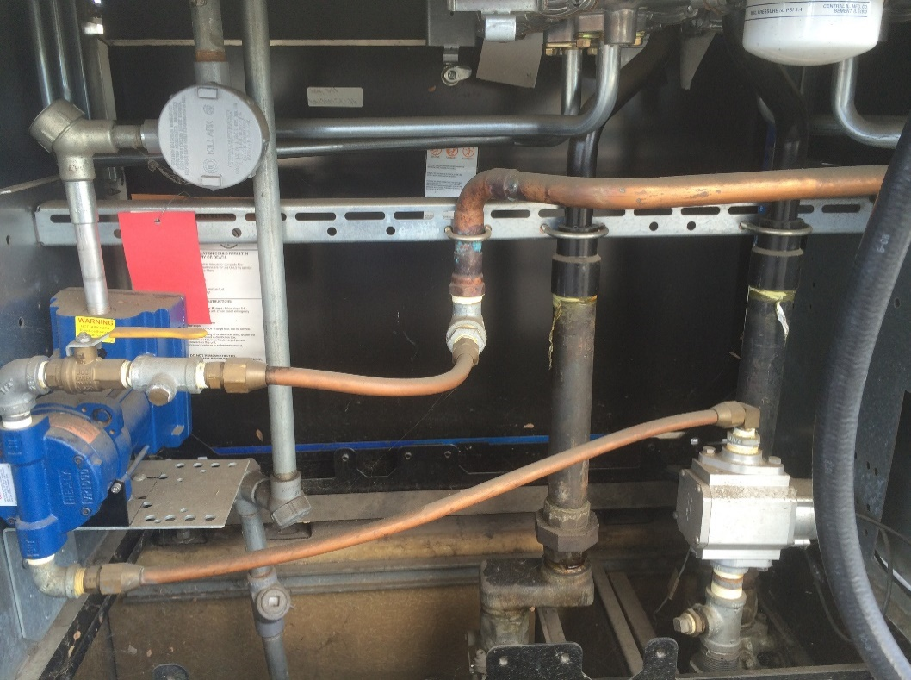
Veeder-Root TLS-350 | Select the type of monitoring system installed on site. If site has a TLS-350 with ISD, Check box TLS-350 on Site. The TLS-350 console will need to have settings changed, and a possible software upgrade and cold start. The Assist Veeder-Root Flow-meters will need to be replaced with the Balance Veeder-Root flow-meters.
INCON VRM | If the site has INCON VRM installed, check box INCON on site - Software Upgrade required. The INCON will require the VRMEO204 software upgrade. The INCON flow meters will NOT need to be replaced during the VST ZERO conversion. You can set the software price and software installation charge on the Price Sheet.
DIM String | Check and record the DIM Init string that is configured in the TLS-350. If a DIM string is present, check the box TLS-350 DIM String present and record on the VST ZERO Survey form. Some dispenser controllers require a "G" to set the DIM for gallons instead of liters. Most sites with an Allied/Andi box or COMMANDER will require the DIM string.
Submersible Turbine Pump information - Upgrade options |  | Example of completed ZERO dispenser retrofit.
Type of STP's and Controller installed | Note if the site has fixed speed or Variable Frequency controllers. Balance sites will require more STP pressure than an Assist system to achieve a good flow rate. A VFC STP and controller or a 2HP Fixed speed are good options during a conversion to maximize flow rate. Check the Upgrade STP option, and select a STP upgrade option to add to the quote. You can set a per tank labor charge for a STP upgrade on the Price Sheet. STP equipment will be automatically added to the Quote and the Parts Order sheet. | 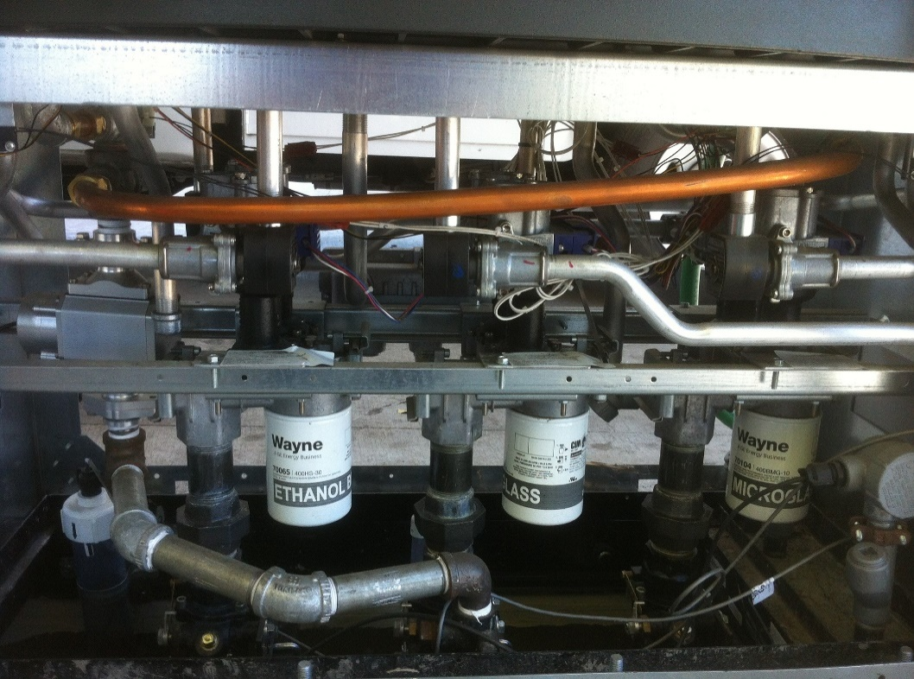
Dispenser Information - New Dispensers or Retrofit
Install new dispensers | Check the box Install new dispensers if the site is getting new dispensers with pre-installed balance piping. Enter your per dispenser labor charge for dispenser installation on the Price Sheet to automatically add it to your bid.
Included Flow Meters | Check the box Do new dispensers include VFM? box if the dispensers include a flowmeter in the cost and are already installed in the dispenser. Dispenser installation labor will be automatically added to quote
Retrofit existing dispensers | Check the box Retrofit EXISTING Dispensers if you are removing the Healy vacuum pump from an assist dispenser and restoring vapor piping to 1" balance piping. Many sites will only require minimal labor to restore piping. This is the option to select the baseline labor charge. Enter your per dispenser labor charge to the Price Sheet for removal of vacuum pump and vapor re-pipe to automatically add it to your bid.
Additional Labor - Vapor piping | If the dispenser has 5/8 copper piping ran from the outlet casting to the Healy VP-1000, Click Will Vapor piping need to be replaced from outlet casting to flow-meter? Selecting this option add additional labor to the quote. Set your additional labor charge on the Price Sheet.
Additional Labor - Clearance | If the dispenser pan is shallow, has 8 product meters (87,89,91,DSL, etc.), or has something else that will require more labor, click on Are there clearance issues under dispenser? This will add additional labor charges as well. Set your additional labor on the Price Sheet
Hanging Hardware Choices | Enter number of gas dispensers and fueling points. If hanging hardware supplied by customer, enter 0 for number of fueling points so it will not be added to the bid. Make sure to include number of dispensers to properly calculate labor cost.
Hose Lengths | Select Hose configuration from pull-down menus.
 | Equipment lists will be automatically generated
Hose Retractors | Click Retractor Clamps needed if site will be using retractors. Clamps will be added to bid. You can enter retractor clamp of choice on the Price Sheet.
Permitting/Testing | Click the Include Permitting Check box to include the permitting fees from the Price Sheet on the quote.
 | Click the Include Startup testing check box to include the startup testing charge from the Price Sheet on the quote.

Compatibility Charts
